AMZN
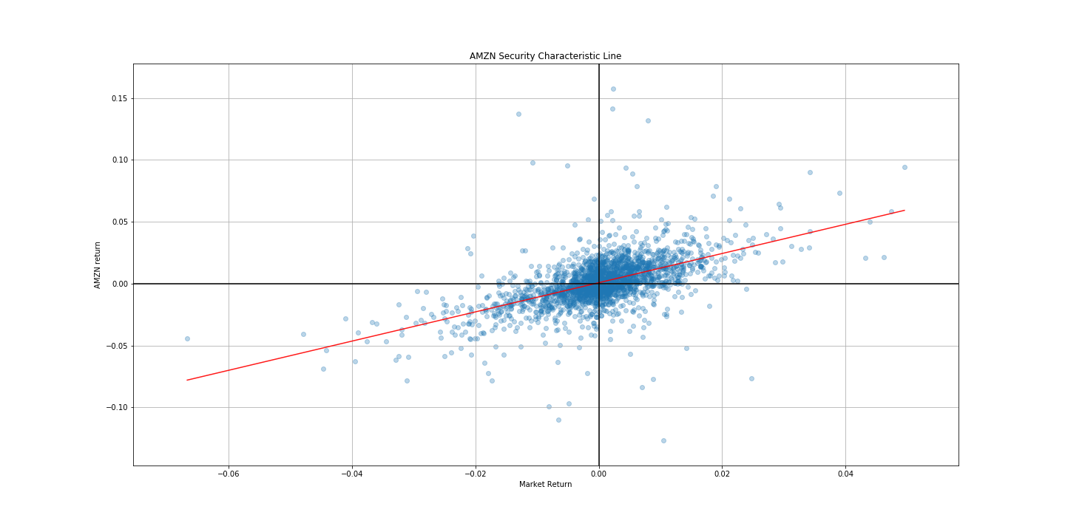
 | 0 | 1 | 2 | 3 | 0.975] | Coef. | P>|t| | Std.Err. | [0.025 | t
0 | Model: | OLS | Adj. R-squared: | 0.310
1 | Dependent Variable: | AMZN | AIC: | -12126.4142
2 | Date: | 2019-12-13 15:11 | BIC: | -12114.9644
3 | No. Observations: | 2264 | Log-Likelihood: | 6065.2
4 | Df Model: | 1 | F-statistic: | 1019.
5 | Df Residuals: | 2262 | Prob (F-statistic): | 7.05e-185
6 | R-squared: | 0.311 | Scale: | 0.00027604
const |  |  |  |  | 0.0015056884502 | 0.00082049079857 | 0.018949173335 | 0.0003494099997 | 0.00013529314696 | 2.3482178509
^GSPC |  |  |  |  | 1.2526528791 | 1.1801445277 | 7.0466248897E-185 | 0.036974941412 | 1.1076361764 | 31.917414407

FB
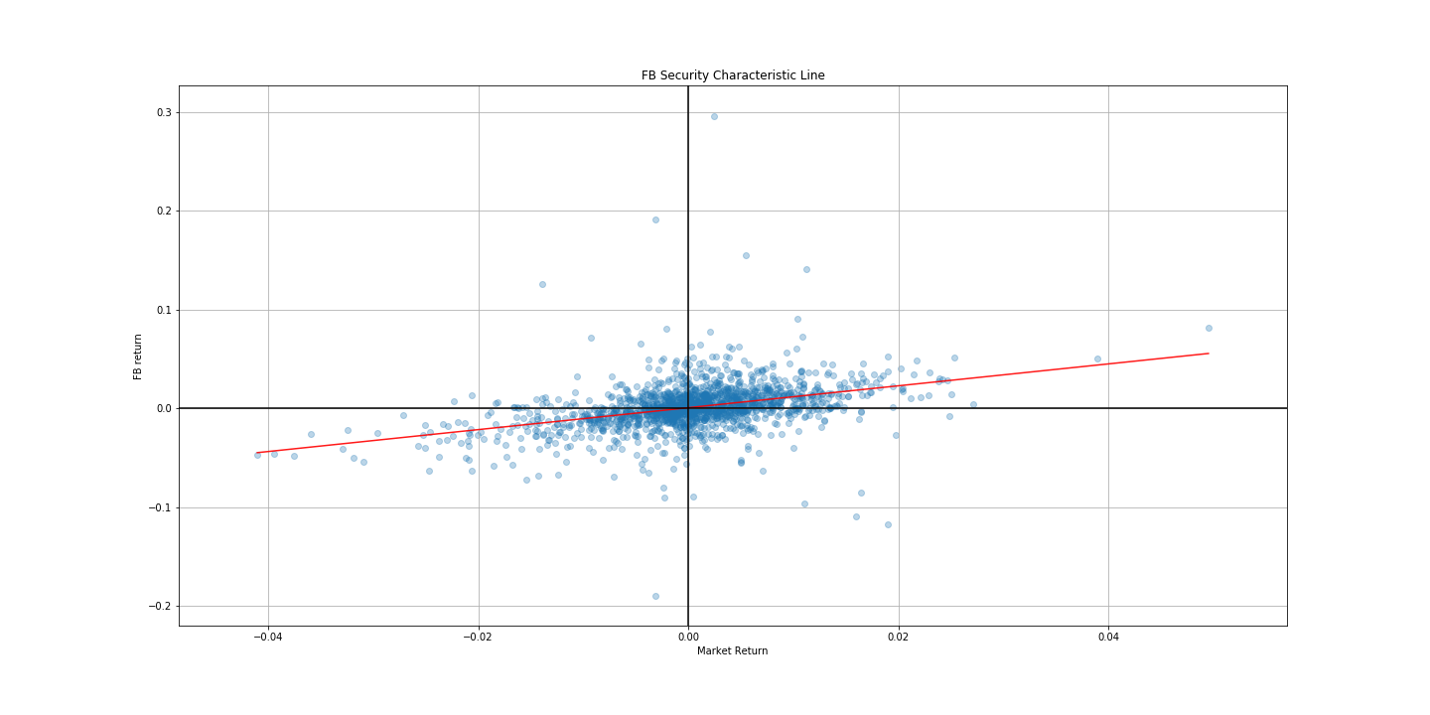
 | 0 | 1 | 2 | 3 | 0.975] | Coef. | P>|t| | Std.Err. | [0.025 | t
0 | Model: | OLS | Adj. R-squared: | 0.148
1 | Dependent Variable: | FB | AIC: | -8030.8801
2 | Date: | 2019-12-13 15:11 | BIC: | -8020.0450
3 | No. Observations: | 1665 | Log-Likelihood: | 4017.4
4 | Df Model: | 1 | F-statistic: | 289.4
5 | Df Residuals: | 1663 | Prob (F-statistic): | 5.81e-60
6 | R-squared: | 0.148 | Scale: | 0.00047016
const |  |  |  |  | 0.0016044328186 | 0.0005610491301 | 0.29172442557 | 0.00053196094964 | -0.00048233455842 | 1.0546810447
^GSPC |  |  |  |  | 1.2360884671 | 1.1083096657 | 5.8094881814E-60 | 0.065147014731 | 0.98053086429 | 17.012439791

GOOG
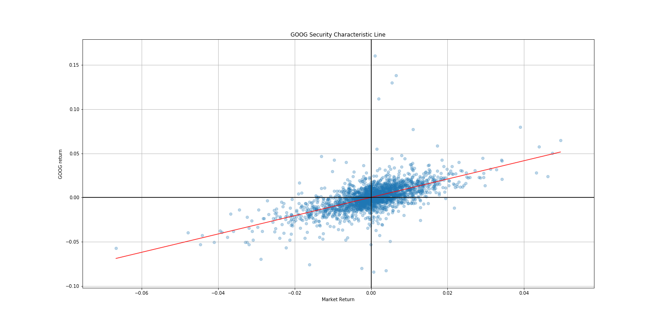
 | 0 | 1 | 2 | 3 | 0.975] | Coef. | P>|t| | Std.Err. | [0.025 | t
0 | Model: | OLS | Adj. R-squared: | 0.402
1 | Dependent Variable: | GOOG | AIC: | -13626.8151
2 | Date: | 2019-12-13 15:11 | BIC: | -13615.3653
3 | No. Observations: | 2264 | Log-Likelihood: | 6815.4
4 | Df Model: | 1 | F-statistic: | 1522.
5 | Df Residuals: | 2262 | Prob (F-statistic): | 5.68e-255
6 | R-squared: | 0.402 | Scale: | 0.00014229
const |  |  |  |  | 0.00073576672013 | 0.00024383165495 | 0.33115828395 | 0.00025085758915 | -0.00024810341023 | 0.97199233945
^GSPC |  |  |  |  | 1.0875245241 | 1.0354674272 | 5.682314441E-255 | 0.026546019489 | 0.98341033033 | 39.006504447

